data structure
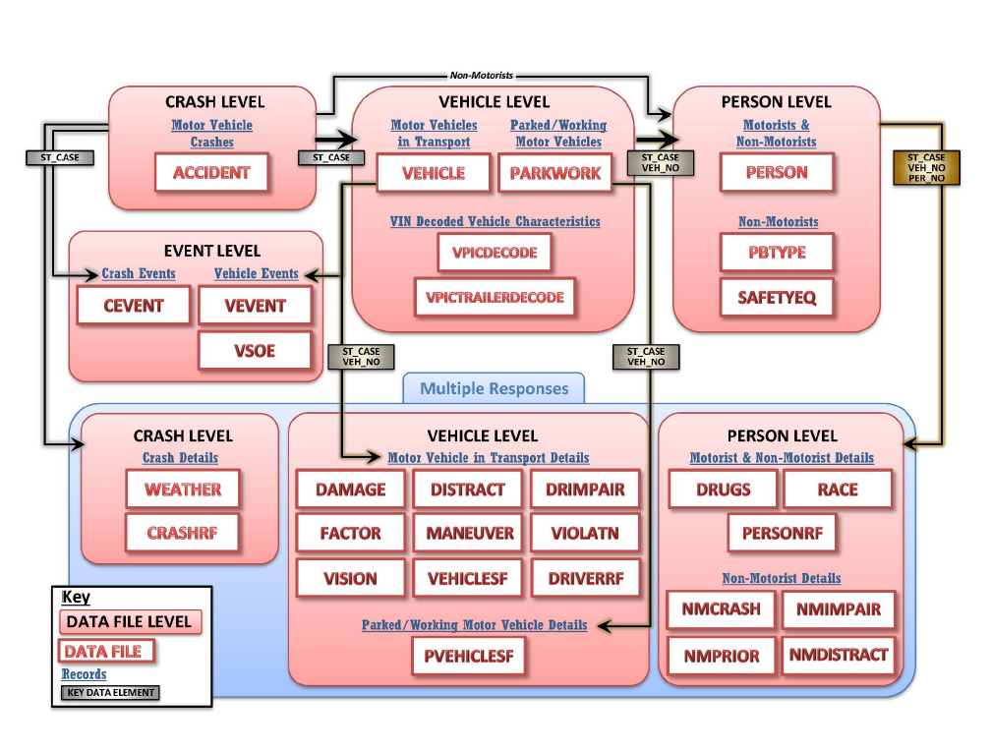
tablename | structure | level | year_created | exclude
accident | one | crash | 1975
vehicle | one | vehicle | 1975
person | one | person | 1975
parkwork | one | vehicle | 2010
safetyeq | one | person | 2010
cevent | multiple | crash | 2010
nmcrash | multiple | person | 2010
nmimpair | multiple | person | 2010
nmprior | multiple | person | 2010
vevent | multiple | vehicle | 2010
vsoe | multiple | vehicle | 2010 | yes, same data as in vevent
distract | multiple | vehicle | 2010
drimpair | multiple | vehicle | 2010
factor | multiple | vehicle | 2010
maneuver | multiple | vehicle | 2010
violatn | multiple | vehicle | 2010
vision | multiple | vehicle | 2010
damage | multiple | vehicle | 2012
pbtype | one | person | 2014
drugs | multiple | person | 2018
nmdistract | multiple | person | 2019
race | multiple | person | 2019
weather | multiple | crash | 2020
crashrf | multiple | crash | 2020
personrf | multiple | person | 2020
vehiclesf | multiple | vehicle | 2020
pvehiclesf | multiple | vehicle | 2020
driverrf | multiple | vehicle | 2020

